1. Title Page
Project Name: Instacart Grocery Basket Analysis
Date: July 31, 2024
Analyst Name: Bhavana Jha

Objective Instacart, an online grocery store that operates through an app, stakeholders wants to uncover interesting information about their customers and analyse their sales patterns. They want to focus on customer targeted marketing strategy. The task is to perform an initial data and exploratory analysis of some of their data in order to derive insights and suggest strategies for better segmentation based on the provided criteria.

Referred Datasets | CareerFoundry Data Sets: ● Customers Data Set

 | ●“The Instacart Online Grocery Shopping Dataset 2017”, Accessed from www.instacart.com/datasets/grocery-shopping-2017 via Kaggle on <July 14, 2024>.
Contents(Click on the content to hover over the sheets)
Population Flow
Consistency checks
Wrangling steps
Column derivations
Visualizations
Recommendations

2. Population Flow
Title page

Population flow

Exclusion flag
Condition: max_order < 5
Obervations to be removed: 7997421
Final total count of order_products_all: 32434212

Orders_products_combined
Orders_products_merged
Orders_products_all

Total:32434212
Total: 32434489
Total:32434212

1.) The grey boxes in the first row of the population flow represent the original data sets as they were when you downloaded them. In the Total fields you need to add the count of the rows when you imported the data set into Jupyter.
2.) The second row of boxes (coloured) represents the data sets after you manipulated them, e.g., removed missing values and duplicates. In the Total fields you need to add the count of the rows after conducting these operations. This offers a visual oveview of how the data flows throughout the data consistency checks.
3.) The third row, where also the arrows are coloured, represents the merges you performed between the datasets. In the Total fields you need to add the count of the rows in the merged datasets, so that you end up with the final dataset (in the red box). Keep in mind the final dataset should be without exclusions (based on the exclusion flag).

3. Consistency checks
 |  |  |  | Title page
Consistency checks

Dataset | Missing values | Missing values treatment | Duplicates
orders | 206209 missing values in days_since_prior_order column | removed the missing value | No duplicates
products | 16 missing values product_name column | removed the missing value | 5 duplicate values(all were removed)
orders_products_prior | No missing values | NA | No duplicates
customers | missing values in first name column | Changed the column to string | No duplicates
departments.csv | No missing values | NA | No duplicates

4. Wrangling steps
 |  |  |  | Title page
Wrangling steps

Columns dropped | Columns renamed | Columns' type changed | Comment/Reason
eval_set | Surnam':'surname' | first name type changed to 'str' | eval_set column is omitted because if was not useful of analysis
low/activity row as an exclusion flag | 'First Name':'first name' |  | low/activity rows were dropped because the analysis was concentrated only on high customer whose order were more than 5.
 | 'STATE':'state' | user_id type changed to 'str'
 | 'Age':'age'
 | Gender':'gender' |  | columns were renamed to maintain uniform formatting with other prior columns
 | 'n_dependants':'number_of_dependents' |  | first_name data type is changed because the analysis shows it has mix data.
 | fam_status':'marital_status' |  | user_id type is change for the purpose of merger.

5. Column derivations
Column derivations and aggregations

Dataset | New column | Column/s it was derived from | Conditions | Frequency
orders_products_new_variables_busiesthour_busiestdays.pkl | Spending_flag | mean_product_price | Low spender <10 High spender >=10 | Low spender 31798751 High spender 635461
orders_products_new_variables_busiesthour_busiestdays.pkl | Loyalty_flag | max_order | Regular customer= max_order<=40 and >10 Loyal customer = max_order>40 New customer = max_order<=10 | Regular customer 15891077 Loyal customer 10293737 New customer 6249398
highactivity_customer_order_product_allclean.pkl' | income_group | income | upper-middle = ['income']>100000 &<=250000 low-middle = ['income']>50000 &<=100000 low = ['income']<=50000 high = ['income']>250000 | upper-middle 11085899 low-middle 10605133 low 2596670 high 149089
highactivity_customer_order_product_allclean.pkl' | dependents_group | number_of_dependents | young_parent = ['number_of_dependents']==1 & 2 old_parent = ['number_of_dependents']==3 single_adult =['number_of_dependents']==0) | young_parent 12187117 old_parent 6138887 single_adult 6110787
customer_order_product_allclean_mergedfile.pkl | region | state | northeast_states = ['Maine', 'New Hampshire', 'Vermont', 'Massachusetts', 'Rhode Island', 'Connecticut', 'New York', 'Pennsylvania', 'New Jersey'] midwest_states = ['Wisconsin', 'Michigan', 'Illinois', 'Indiana', 'Ohio', 'North Dakota', 'South Dakota', 'Nebraska', 'Kansas', 'Minnesota', 'Iowa', 'Missouri'] south_states = ['Delaware', 'Maryland', 'District of Columbia', 'Virginia', 'West Virginia', 'North Carolina', 'South Carolina', 'Georgia', 'Florida', 'Kentucky', 'Tennessee', 'Mississippi', 'Alabama', 'Oklahoma', 'Texas', 'Arkansas', 'Louisiana'] west_states = ['Idaho', 'Montana', 'Wyoming', 'Nevada', 'Utah', 'Colorado', 'Arizona', 'New Mexico', 'Alaska', 'Washington', 'Oregon', 'California', 'Hawaii'] South =south_states West =west_states Midwest =midwest_states Northeast =northeast_states | South 10801610 West 8300445 Midwest 7603810 Northeast 5728347
orders_checked.csv and orders_products_prior.csv | _merge | N/A | df_ords.merge(df_orders_product_prior, on = 'order_id', indicator = True) | both 32434489 left_only 0 right_only 0
ords_prods_merge.pkl | price_range | prices | Mid range product -- Prices<= 15 & > 5 Low range product --Prices <= 5 High range product--Prices>15 | Mid range product 21890146 Low range product 10126384 High range product 417682
ords_prods_merge.pkl | Busiest_day | order_dow | Regular days = value equals to 3 or 4 Busiest days = value equal to 0 or1 Slowest days =value other than 0,1,3,4 | Regular Days 12927461 Busiest Days 11875462 Slowest Days 7631289
ords_prods_merge.pkl | busiest_period_of _day | order_hour_of_day | Most orders=> value=10,11,14,15,13,12,16,9 Average orders => value=17,8,18,19,20,7,21,22 Fewest orders => value=values other than the above mentioned | Most orders 21137262 Average Orders 10006752 Fewest Orders 1290198
orders_products_new_variables_busiesthour_busiestdays.pkl | order_frequency | median_days_between_orders | Frequent customer = ['median_days_between_orders'] <= 10 Regular customer =['median_days_between_orders'] <= 20 and >10 Non-frequent customer = ['median_days_between_orders'] > 20 | Frequent customer 21577409 Regular customer 7217134 Non-frequent customer 3639669
orders_products_new_variables_busiesthour_busiestdays.pkl | mean_product_price | N/A | Group by 'user_id' and transform(np.mean) 'prices' column | N/A
orders_products_new_variables_busiesthour_busiestdays.pkl | median_days_between_orders | N/A | groupby(['user_id'])['days_since_prior_order'].transform(np.median) | N/A
highactivity_customer_order_product_allclean.pkl' | age_group | age | senior = ['age']>65. adult = ['age']>25 and <=65 young_adult =['age']<=25 | adult 15288778 senior 6097444 young_adult 3050569
orders_products_new_variables_busiesthour_busiestdays.pkl | max_order | N/A | groupby(['user_id'])['order_number'].transform(np.max) | N/A
customer_order_product_allclean_mergedfile.pkl | high/low_activity | order_number | high-activity = ['order_number']>+5 low-activity =['order_number']<5 | high-activity 24436791 low-activity 7997421

6. Visualizations
Visualisations

In this tab you should include all the visualtions from Exercises 4.9 and 4.10, alongside the questions from the project brief that they answer. Include any commentary on the relationship between different variables.

What different classifications does the demographic information suggest?
Age? Income? Certain types of goods? Family status?

Different types of customers and how often do they return to instacart and their ordering habits
Busiest days of the week and hour of the day

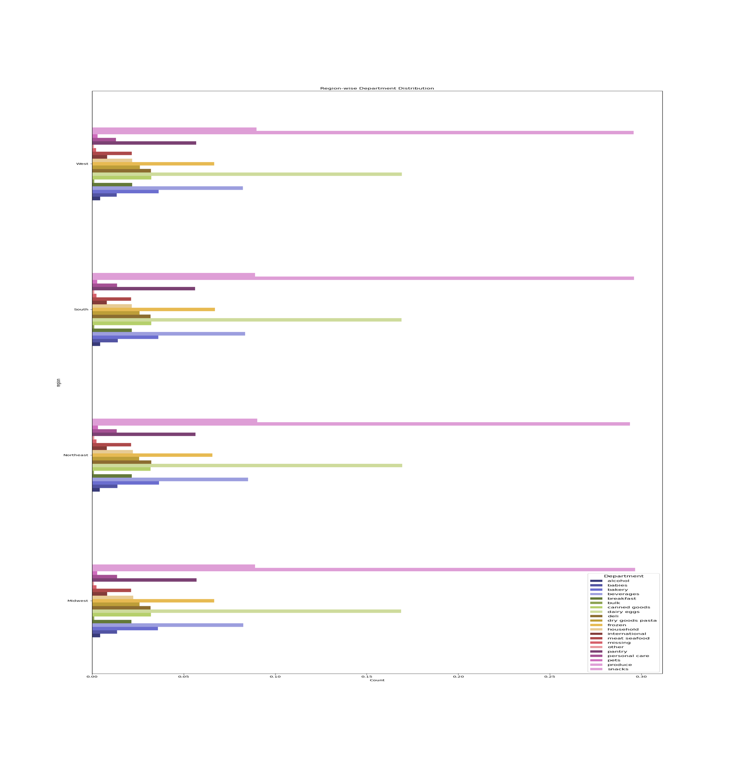



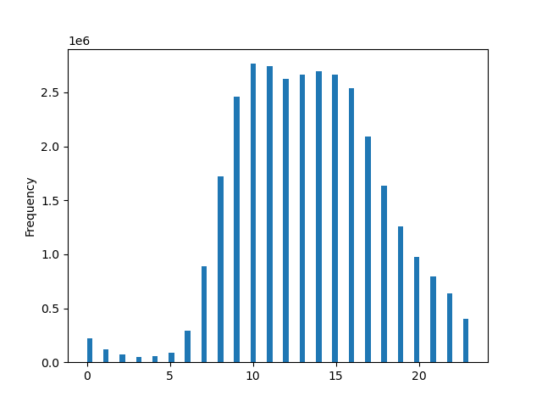
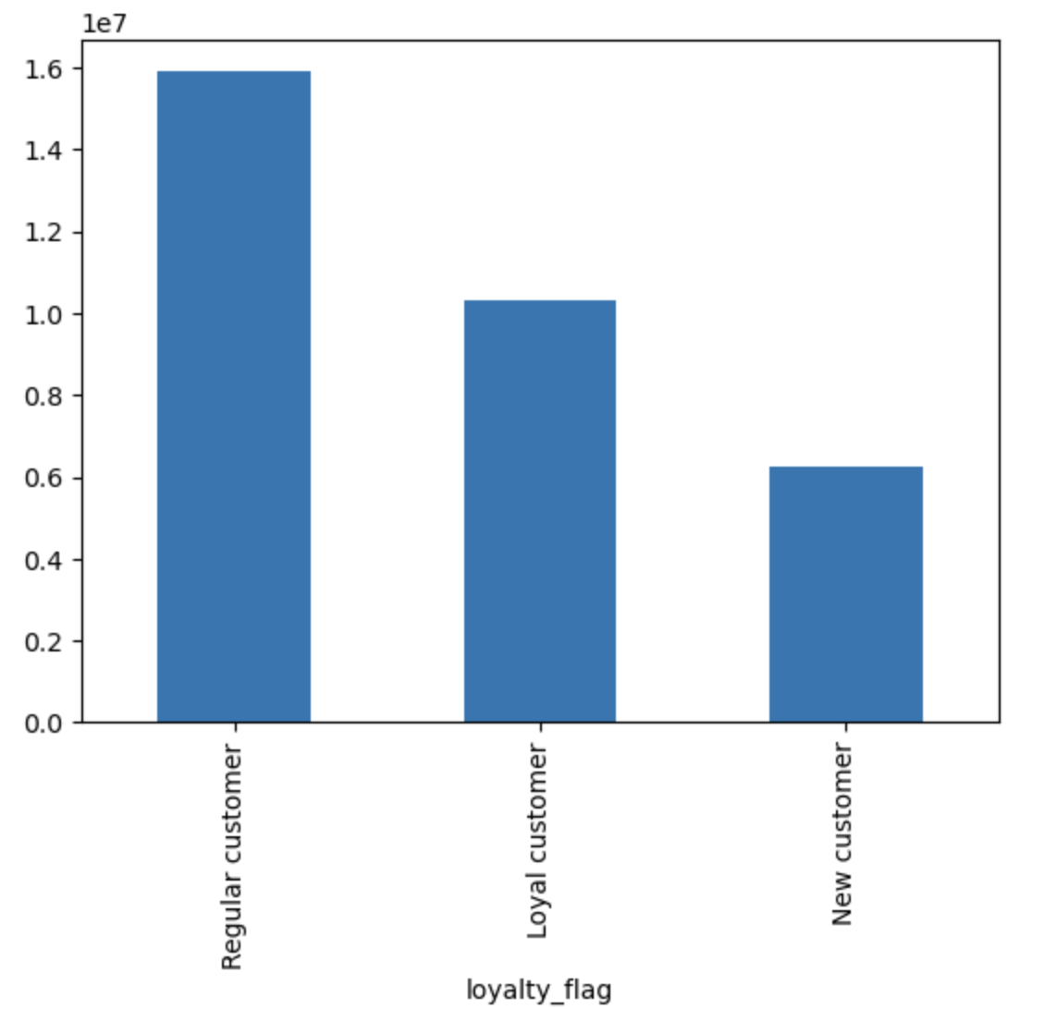
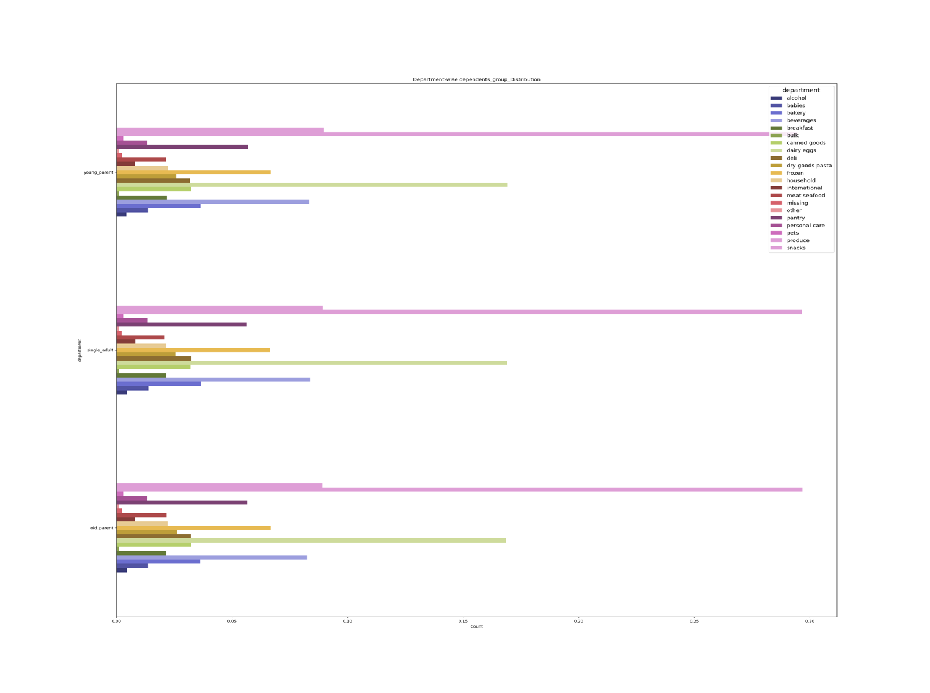

The charts show the followings:
1. 12AM-5AM is the slow hour.
2. 8AM-10AM and 5PM-8PM are moderate hours
3. 10AM-4PM is the rush hour
4. 8PM-12AM is moderately slow hour
5. The busiest days of the week in ascending order are: Sunday>Monday>Saturday>Tuesday>Friday>Wednesday>Thursday

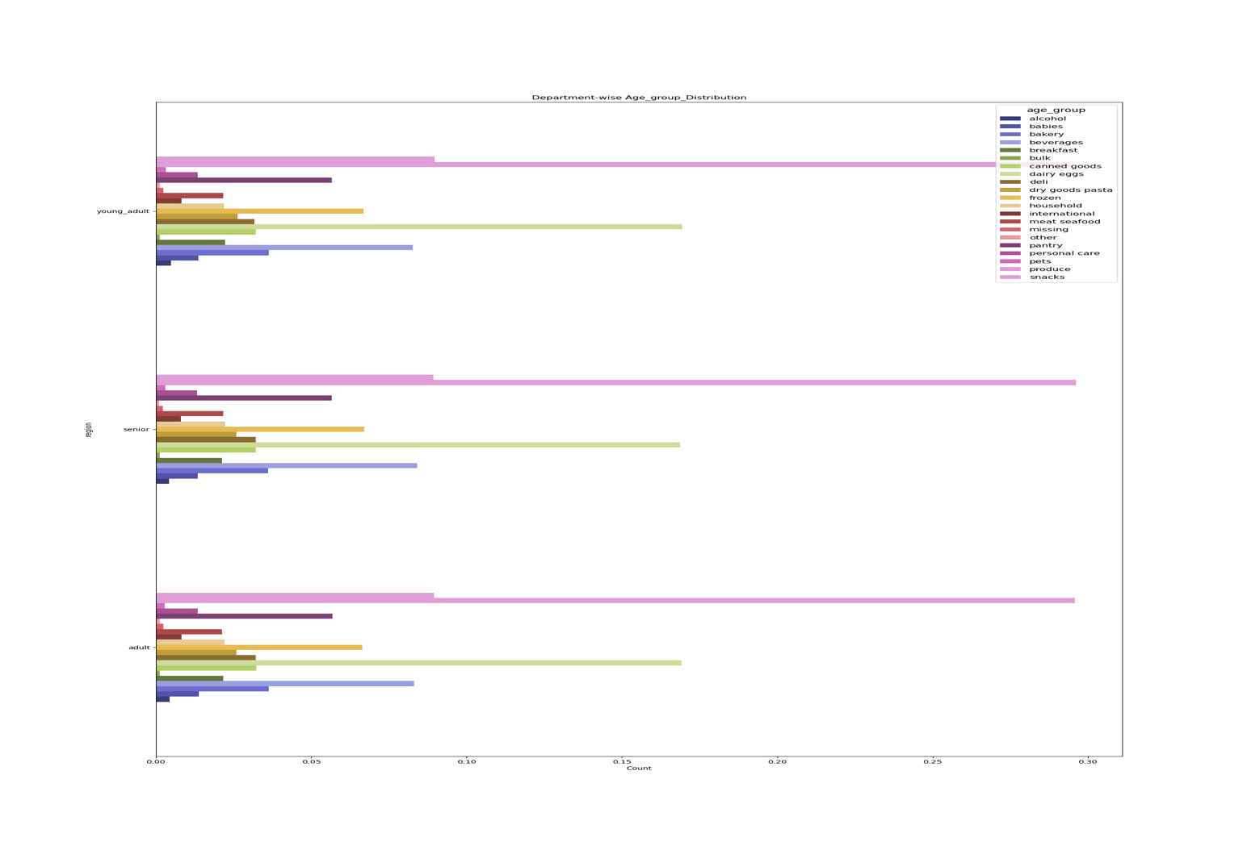
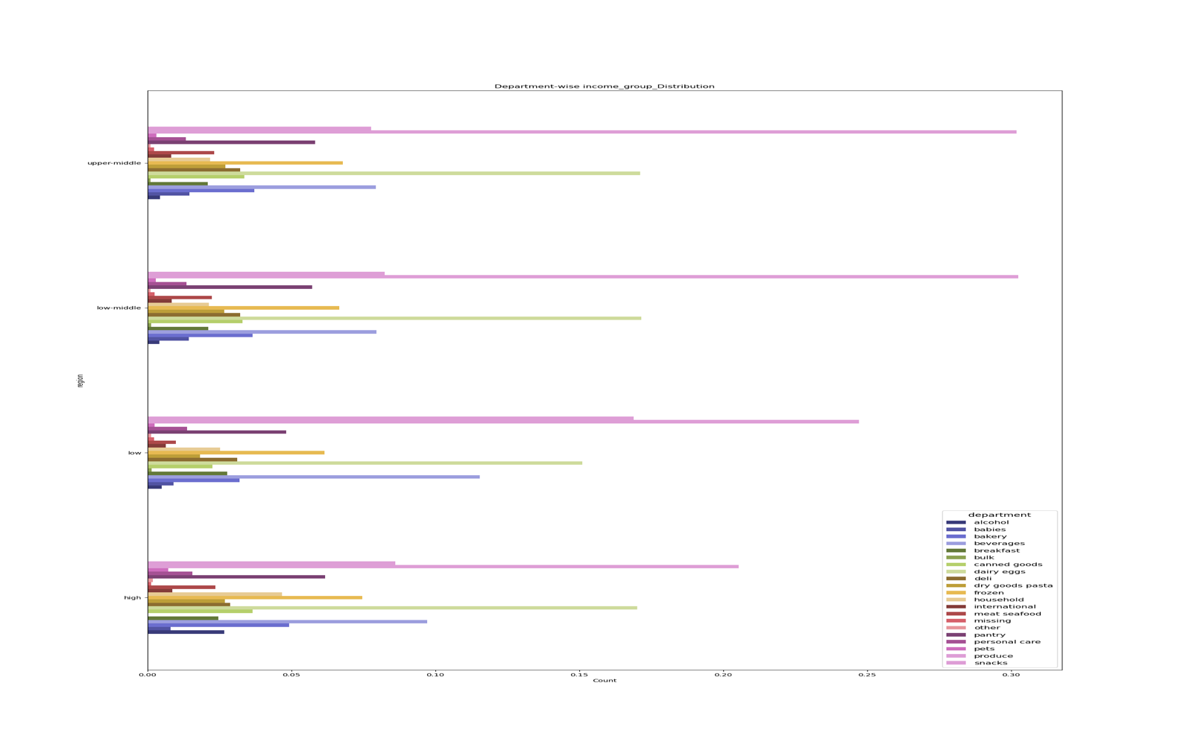

Highest spending time of the day

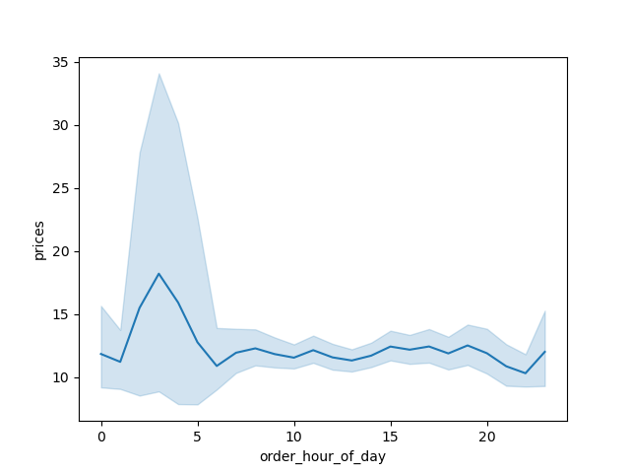
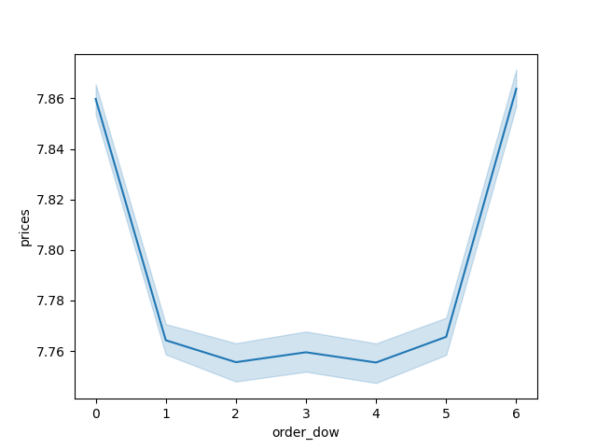

The charts show the followings:
1. Maximum number of instacart customers are regular customer, followed by loyal customer and then lastly comes the new customer. Therefore, the insta cart needs to come up with some idea so that they can increase the inflow of new customers.
2. Among all the age group the department-wise shopping behaviour is more or less same.




Age and Family Status in Terms of Ordering

The charts show the following:
1. The output shows that the prices are higher during the early morning of the day and on the weekends. The prices drop during the week days and also during the busy hours of the day. As the prices drop during the week days, insta cart can also promote this the customers, so that they also start looking at items during the week days to get better deals.
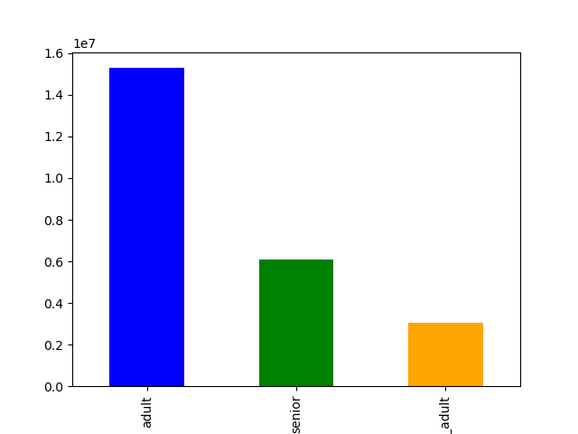
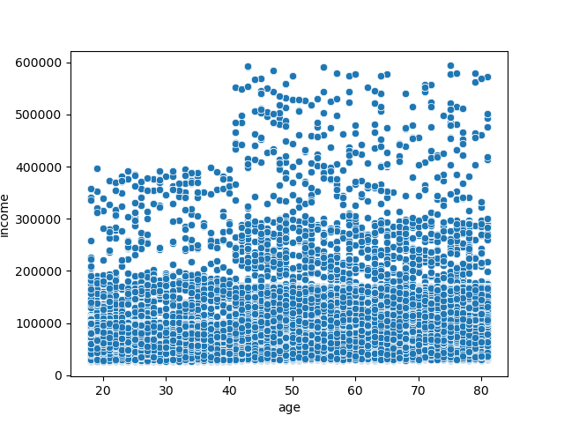

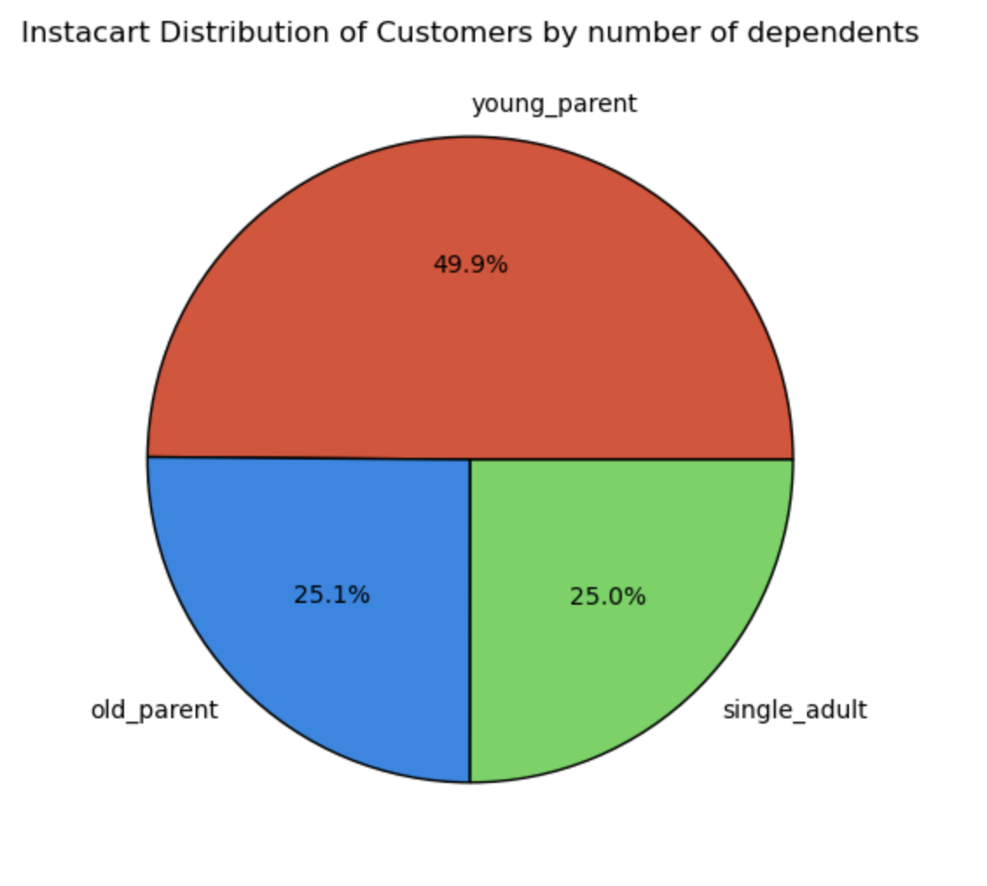

Top 10 departments and price frequency


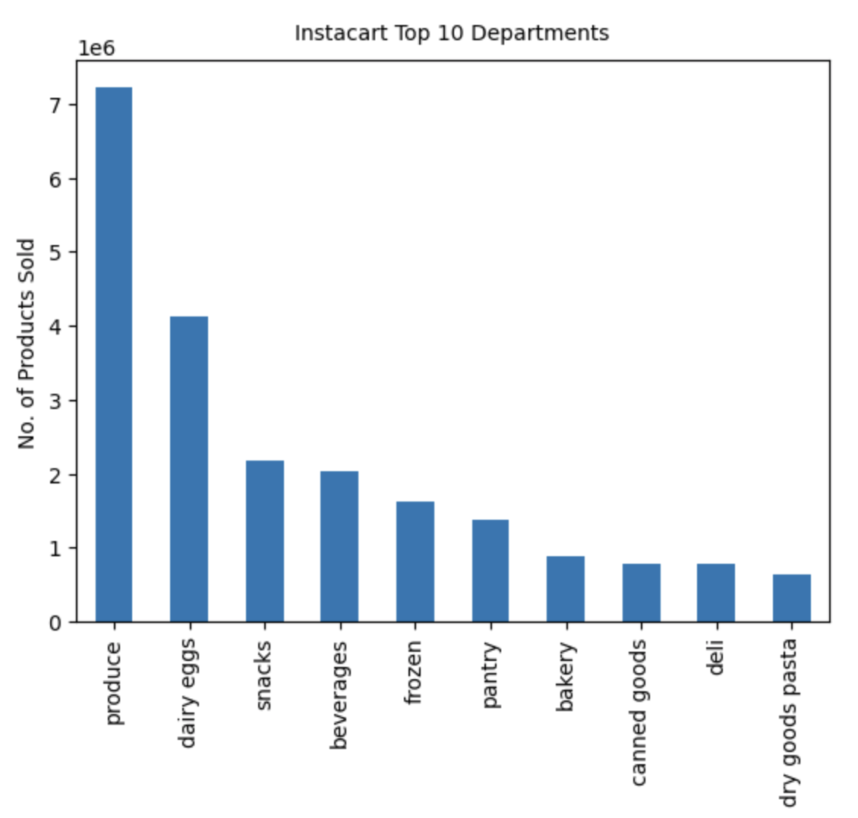

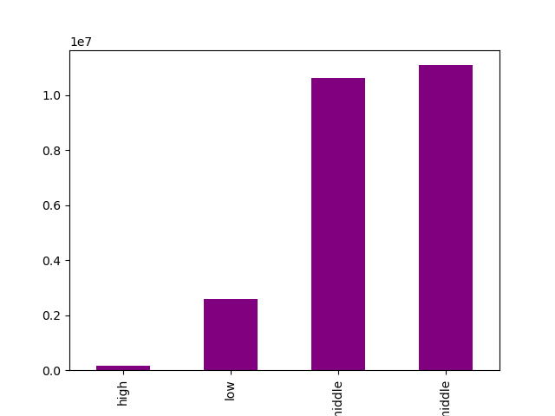


The charts show the followings:
1. The top 10 departments based on their frequency on the instacart. The order sequence is== produce>dairy eggs>snacks>beverages>frozen>pantry>bakery>canned goods>deli>dry goods pasta.
2. The graph shows the price distribution and their frequency. Accoridng to the chart most products are between $1- $15 and few are higher priced at $15-$25
The charts show the followings:
1. Maximum number of customers are adult, followed but senior and then lastly comes the young_adult groups.
2. There is no clear pattern of relation between number_of_dependents and customer's age
3. In terms of dependents_groups, 49.9% percent of the customers are young parents and old_parents and yound_adults share the rest 50% of the share of customer distribution.
4. The result shows that majority of the people accross all age has income around 200K.
5. The income do increase beyond 200K, however it is very scatters in case around 20-40 age group.
6. The income is also concentration between 200k-300k among the 40-80 comparetively, which shows the wealth is concentrated among the higher age group customers.
7. The income bracket 400-600k in only found in higher age group people.
8. Based on the customer profile the income_groups are ranked as: HIgh<low_income<low-middle<upper_middle
The charts show the followings:
1. Southern states stood first in age_group category, meaning they havethe highest number of customers from young_adult, senior and adult categories and also in the dependents_group category. These states are followed by western states, midwest and finally comes the northeast states.
2. Southern states has the highest number of low income_group, closely followed by low-middle and people who are the top customers of instacart. Northeast states lag among all the income groups. West and midwest are very close to each other. Therefore, instacart can first focus on southern states from where it generates the good amount of revenue. In terms of types of goods the sale pattern is almost same in all regions. The pattern is produce>dairy eggs>snacks>beverages>frozen>pantry>bakery>canned goods>deli>dry goods pasta.

7. Recommendations
Recommendations

In this tab you should include any recommendations you would made to Instcart in terms of their marketing strategy based on the questions posed in the brief. Every key question has been covered in the Tasks of the Exercises - here you need to add an item - a visualisation or table/crosstable that is showing the answer in the data, acompanied by a comment from you. Please, list the questions below and add the answer underneath.

Question | Answer
Key Question 1 :What’s the distribution among users in regards to their brand loyalty (i.e., how often do they return to Instacart)? | The 'Frequent customers' return to instacart within 10 days. They are further followed by 'Regular customers' who shop in 20 to 10. Lastly comes the non-frequent customers who return to insta cart after more than 20 days. Having said that, the share of frequent customer is highest and regular and non-frequent customers take second and third position respectively on the customer distribution scale. In term of loyalty, regular customers are more than the loyal customers and lastly comes the new customers. Thus instacart can comeup with some incentives for the new customers to continue its customer acquition.
Key Question 2 : Are there differences in ordering habits based on a customer’s loyalty status? | New customers are the low spenders at instacart and unfortunetly, share of low spenders is more than the high spenders on instacart. Insta cart need to offers incentives to new customers so that they becomes loyal customers and thus increase their spending.
Key Question 3: Are there differences in ordering habits based on a customer’s region? | Southern states customers shops the most from insta cart, followed by the west, mid-west and northeast states customers.
Key Question 4: Is there a connection between age and family status in terms of ordering habits? | Insta cart has maximum no of customers in the adult age group followed by senior and young_adult group. And since there was a positive relation between age and income, company can definetely promote its goods based on the income category. For instance, adult and senior would probably compromise more in the upper-middle and low-middle class group, the two highest income_group for the company. Thus, the company can promote products that are averagely priced and family oriented. For young_adults, who might be part of the low income and single_adult, company can come up with incentive to increase their shopping behaviour.
Key Question 5:What different classifications does the demographic information suggest? Age? Income? Certain types of goods? Family status? | Southern states stood first in age_group category, meaning they havethe highest number of customers from young_adult, senior and adult categories and also in the dependents_group category. These states are followed by western states, midwest and finally comes the northeast states. Southern states has the highest number of low income_group, closely followed by low-middle and people who are the top customers of instacart. Northeast states lag among all the income groups. West and midwest are very close to each other. Therefore, instacart can first focus on southern states from where it generates the good amount of revenue. In terms of types of goods the sale pattern is almost same in all regions. The pattern is produce>dairy eggs>snacks>beverages>frozen>pantry>bakery>canned goods>deli>dry goods pasta.
Key Question 6: What differences can you find in ordering habits of different customer profiles? Consider the price of orders, the frequency of orders, the products customers are ordering, and anything else you can think of. | Based on the spending flag, low spending customer on an average spend less than 10, however the high spender who are those in less number spend more than 10. Maximum customers who are also the regular customers spend around <=40 and >10 maximum. Loyal customer spend more than 40 however, there number is less than regular customers. and finally the new customer max spending is less than 10 and they are also less in numbers. This shows that insta cart is struggling to acquire new customer even when they spend less. Young parents shops more on insta cart, so the company can focus on targeting them with relevant goods ad to increase its visibility. Customers frequently shops from 9am to 4pm and then the sales figure go down to moderate level from 4pm to 10 pm. During the peak hours it can promote its goods, launch new items to increase their visibility. Moderate hours can be kept to promote semi-essential goods. Sunday and monday are two busiest days, thus those two days instacart has to target its new customers across all age group.

